Lion Volume Rebate Claim Form
 | 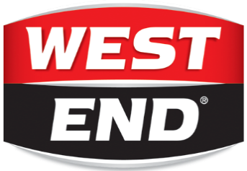 | 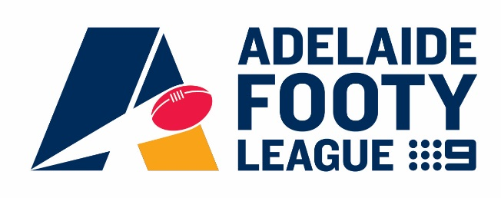
Lion Volume Rebate Claim Form 2024

This sheet is used to calculate your Lion volume rebate entitlement based on your beer, cider seltzer and RTD purchases throughout the year.
Please complete the yellow cells only below based on what Lion products your club purchased during the 2024 season.
Please note in order to be eligible for volume rebates, clubs must have satisfied all Lion sponsorship asks ahead of the 31/5 compliance deadline.

CLUB NAME
Claim Period Start Date
Claim Period End Date

 |  |  | Volume Rebate Per Carton (ex GST) | Total Volume Rebate (ex GST)
Number of cartons of Lion beer, cider hard seltzer and RTD products purchased |  |  | $4.00 | $0.00

Number of kegs of Lion beer, cider, hard seltzer and RTD products purchased |  |  | $25.00 | $0.00

TOTAL VOLUME REBATE ENTITLEMENT FOR PERIOD (ex GST) |  |  | $-

Please email your completed sheet to your Lion Sales Executive, or to tim.moffat@lionco.com when you would like to claim your rebate.
If buying through a retailer, please be sure to include copies of proof of purchase documents i.e. tax invoices or retailer statement of account.
Once approved by Lion, you will receive a request to send a tax invoice to Adelaide Footy League so that your rebate can be paid.

